Sheet1
Performance measured in correct, incorrect and missed responses per participant

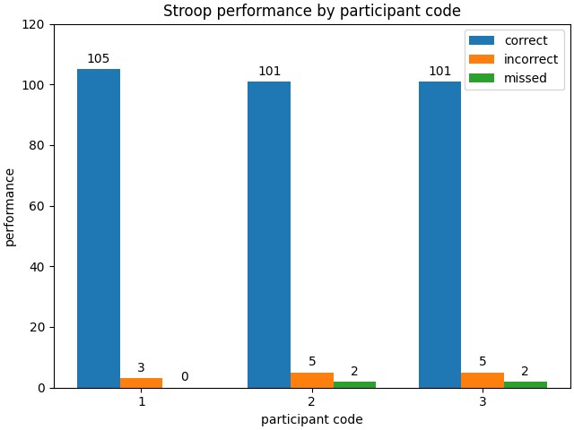
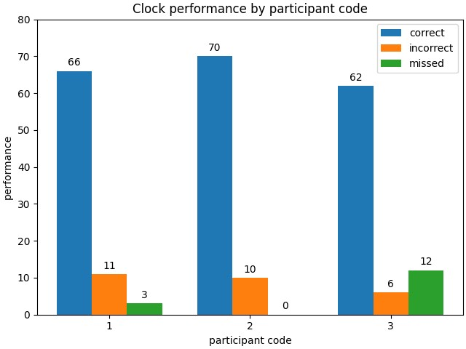
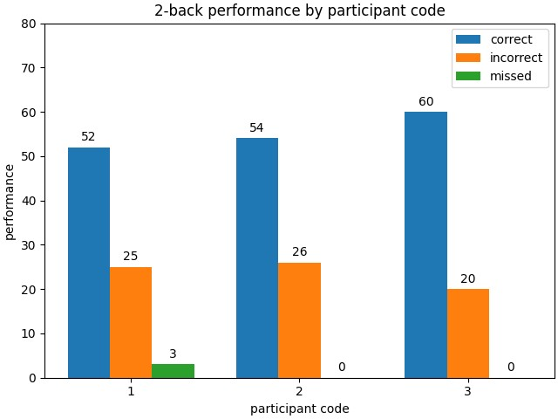
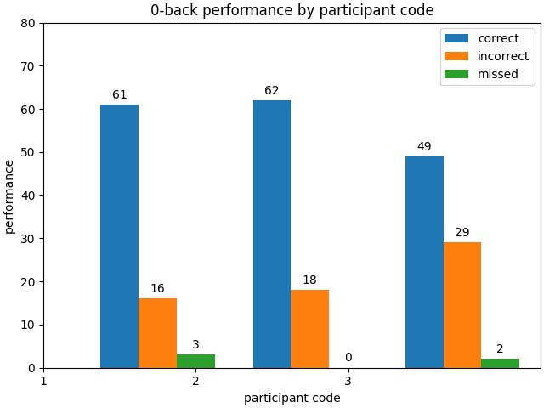

Stroop performance by condition
Congruent |  |  |  |  |  | Incongruent | Neutral
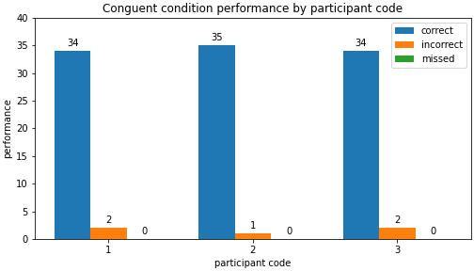
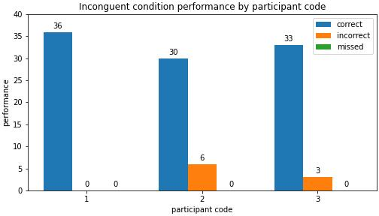
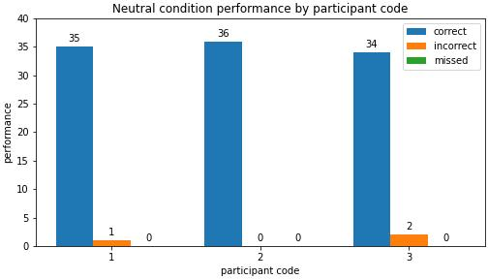

Average reaction time per participant
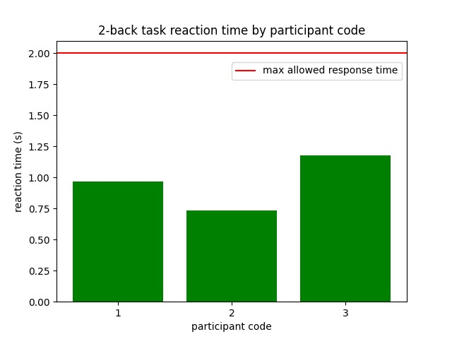
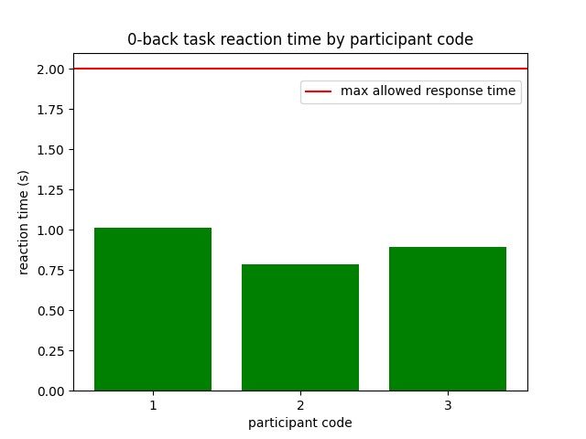
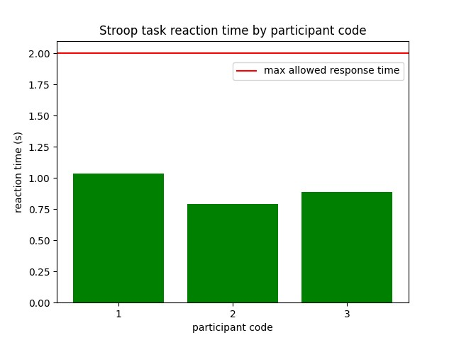
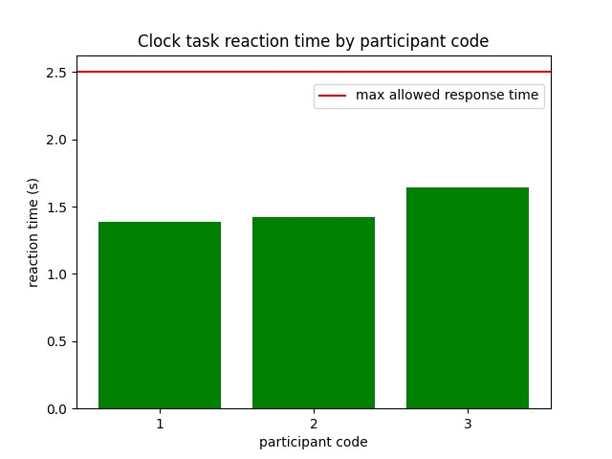

Stroop reaction time by condition
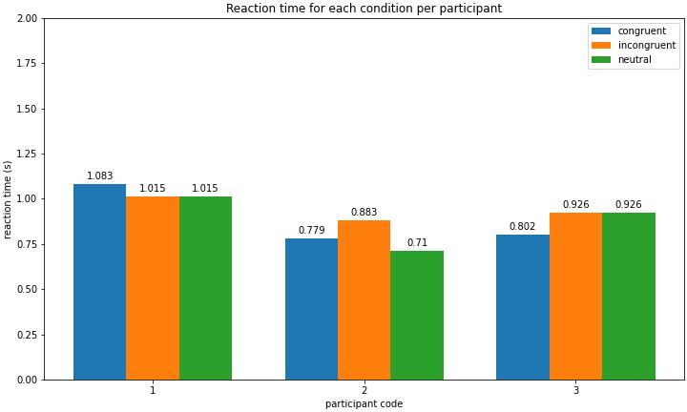

Average reaction time and performance per task across all participants
 | Stroop | Clock | n-back (2-back) | n-back (0-back) | decision making
performance (avg) | 0.94753 | 0.825 | 0.69166666667 | 0.71666666667
reaction time (avg) | 0.90433320133 | 1.4835397412 | 0.9609934957 | 0.89863720719 | 1.2156666667

